Directions
The Orig Data tab contains our sample data which needs to be cleaned up. We will use this data in the next few exercises, and because there is no "undo" after running a macro, we'll make copies of this data to thoroughly test out our macros.
The Org Data Tab is "protected" but can be selected, then copied & pasted to a new sheet.
Or you can copy the entire sheet:
by right clicking the tab name
select Move or Copy
Click on the (move to end) location
Check the Create a Copy box
Click OK
Right click desired tab and select "Unprotect Sheet" to edit data.
To create a new worksheet, click on the + sign in the bottom of the workbook.
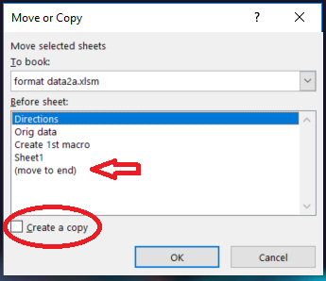

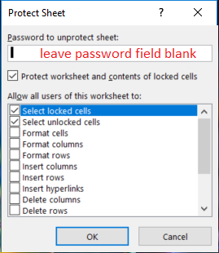

Exercise 1 - Record your first macro
On Create 1st macro tab.
Exercise 2 – View and modify VBA code
On View Macro tab.
Exercise 3 – Save file as .xlsm
On Save XLSM tab
l
l

Find and replace
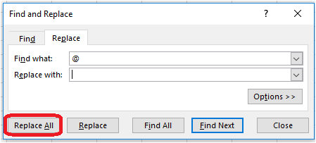
City | Jan | Feb | Mar | Apr | May | Jun | Jul | Aug | Sep | Oct | Nov | Dec
Huding | 22.5 | 3.1 | 10.5 | 6.1 | 20.5 | 20.1 | 22.3 | 12 | 12.3 | 2.5 | 6.6 | 5.2
Doln | 7.7 | 23.6 | 22.6 | 2 | 21.1 | 18.3 | 8.4 | 6.1 | 12.9 | 1.4 | 12.4 | 22.9
Bock | 22.3 | 12 | 23.2 | 11.8 | 16.5 | 18.3 | 23.2 | 1.7 | 9 | 10.1 | 19.2 | 1.8
Olnhull | 3.7 | 15.1 | 18.5 | 23.6 | 23.7 | 10.4 | 15.5 | 8.6 | 16.9 | 23 | 12.2 | 15.7
Inevale | 8.5 | 20.3 | 3.7 | 14.3 | 2.3 | 10.5 | 5.6 | 9.3 | 15.5 | 22.8 | 4.9 | 19.2
Quigas | 13.5 | 19.2 | 16.8 | 16.3 | 9.4 | 21.4 | 15.2 | 11.3 | 2.5 | 22.2 | 18@ | 23.5
Damore | 15 | 23.5 | 9@ | 15.4 | 21.5 | 12.1 | 13.9 | @12 | 20.4 | 8.9 | 14.9 | 23.8
Ophirith | 20.4 | 2.8 | 5.1 | 5.6 | 14.5 | 1 | 22.7 | 12.5 | 21.8 | 22.9 | 15.7 | 20.4
Gando | 19.9 | 2.8 | 3.2 | 15.8 | @12.5 | 16.4 | 5.8 | 19.8 | 10.6 | 6.5 | 3.8 | 1.2
Dredon | 14.9 | 6.1 | 19.8 | 22.4 | 13 | 23.4 | 5.1 | 18.3 | 23.3 | 19.7 | 18.@2 | 5.9
Sifield | 21.2 | 2.9 | 13.1 | 7.2 | 17.8 | 9.1 | 21.2 | 6.5 | 22.5 | 3.8 | 19.5 | 6.1
totals: | 169.6 | 131.4 | 136.5 | 140.5 | 160.3 | 161 | 158.9 | 106.1 | 167.7 | 143.8 | 109.2 | 145.7

Instructions:
1 Select the sales data (that is to say, not the city names nor the month names)
2 Home > Find & Select down arrow > Replace
3 In the Find and Replace dialog box, in the Find what search field type @
4 Leave Replace with blank
5 press the Replace all button. 5 cells should be updated.

Create 1st macro
City | Jan | Feb | Mar | Apr | May | Jun | Jul | Aug | Sep | Oct | Nov | Dec
Huding | 22.5 | 3.1 | 10.5 | 6.1 | 20.5 | 20.1 | 22.3 | 12 | 12.3 | 2.5 | 6.6 | 5.2
Doln | 7.7 | 23.6 | 22.6 | 2 | 21.1 | 18.3 | 8.4 | 6.1 | 12.9 | 1.4 | 12.4 | 22.9
Bock | 22.3 | 12 | 23.2 | 11.8 | 16.5 | 18.3 | 23.2 | 1.7 | 9 | 10.1 | 19.2 | 1.8
Olnhull | 3.7 | 15.1 | 18.5 | 23.6 | 23.7 | 10.4 | 15.5 | 8.6 | 16.9 | 23 | 12.2 | 15.7
Inevale | 8.5 | 20.3 | 3.7 | 14.3 | 2.3 | 10.5 | 5.6 | 9.3 | 15.5 | 22.8 | 4.9 | 19.2
Quigas | 13.5 | 19.2 | 16.8 | 16.3 | 9.4 | 21.4 | 15.2 | 11.3 | 2.5 | 22.2 | 18@ | 23.5
Damore | 15 | 23.5 | 9@ | 15.4 | 21.5 | 12.1 | 13.9 | @12 | 20.4 | 8.9 | 14.9 | 23.8
Ophirith | 20.4 | 2.8 | 5.1 | 5.6 | 14.5 | 1 | 22.7 | 12.5 | 21.8 | 22.9 | 15.7 | 20.4
Gando | 19.9 | 2.8 | 3.2 | 15.8 | @12.5 | 16.4 | 5.8 | 19.8 | 10.6 | 6.5 | 3.8 | 1.2
Dredon | 14.9 | 6.1 | 19.8 | 22.4 | 13 | 23.4 | 5.1 | 18.3 | 23.3 | 19.7 | 18.@2 | 5.9
Sifield | 21.2 | 2.9 | 13.1 | 7.2 | 17.8 | 9.1 | 21.2 | 6.5 | 22.5 | 3.8 | 19.5 | 6.1
totals: | 169.6 | 131.4 | 136.5 | 140.5 | 160.3 | 161 | 158.9 | 106.1 | 167.7 | 143.8 | 109.2 | 145.7

Exercise 1 - Record your first macro
Instructions:
1 Click on the Developer tab
2 Select all the data (A1:M13)
3 Click on Record Macro and fill in:
A unique name,
A Shortcut key with a captial letter
A shortdescription.
Press Enter, now the macro is "recording"
4 Re-run the Find & Replace task to remove the @ in the data.
5 Select (A1:A13) and make them bold.
6 Select (B1: M1) and make them red.
7 Click cell A1
8 Click on the Developer tab > stop macro
A note on Shortcut keys (aka: Hotkeys)
- don't overlap existing and popular shortcut keys. Ex: Ctrl + c is used for copying text. If you use the same combination for your macro, the "copy" ability goes away.
- most people use the Shift + letter to work around trouncing on an existing combination. So: Ctrl + Shift + C is fine.
See http://bit.ly/VBAHotKeys for full list of Excel's hotkeys.

View Macro
Exercise 2 – View and modify VBA code
Get to the VBE by doing one:
Alt+F11 (or FN+Alt+F11 if you are on a laptop or Mac)
Developer > Code > Visual Basic
Click on Module1 if the code isn't visible.
Notice:
The code starts with Sub, then the name of the macro, then two empty parentheses.
It also ends with End Sub
Can you see the code generated when you selected the first column and made it bold?
Or the first row and made it red?
Ending by clicking on A1 is a traditional way to deselect everything and leave your active cell easy to find.
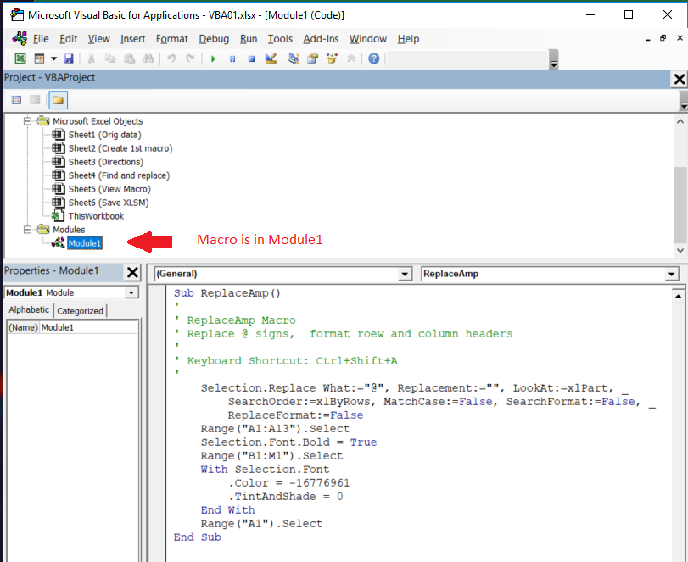

Sub ReplaceAmp()
'
' ReplaceAmp Macro
' Replace @ signs, format roew and column headers
'
' Keyboard Shortcut: Ctrl+Shift+A
'
Selection.Replace What:="@", Replacement:="", LookAt:=xlPart, _
SearchOrder:=xlByRows, MatchCase:=False, SearchFormat:=False, _
ReplaceFormat:=False
Range("A1:A13").Select
Selection.Font.Bold = True
Range("B1:M1").Select
With Selection.Font
.Color = -16776961
.TintAndShade = 0
End With
Range("A1").Select
End Sub

Save XLSM
Exercise 3 – Save file as .xlsm
File > Save - get the warning message.
If you save the file as an .xls, the macros are lost.
If you save the file as an .xlsm, the macros stay, but the next time the file is opened, you will see the warnings about enabling macros.
See the Trust Center for more options.

